Go to Page
Results
Test Case | Go to Page
Outcome
Duration(s) | 3.400s
Ran Actions | GoTo
DeviceType | Default(Window)
Overall result | ✔ PASS

Screenshots
Step | Image location | Note
Go_to_Page_screenshot | C:\Users\25-00372\Desktop\v02_Playwright_Smart_Automation_TestingTool\v2_Playwright_Smart_Automation_TestingTool\results\HLMS_[2026_06_03-10h39m16s]_results\screenshots\Go_to_Page_screenshot.png
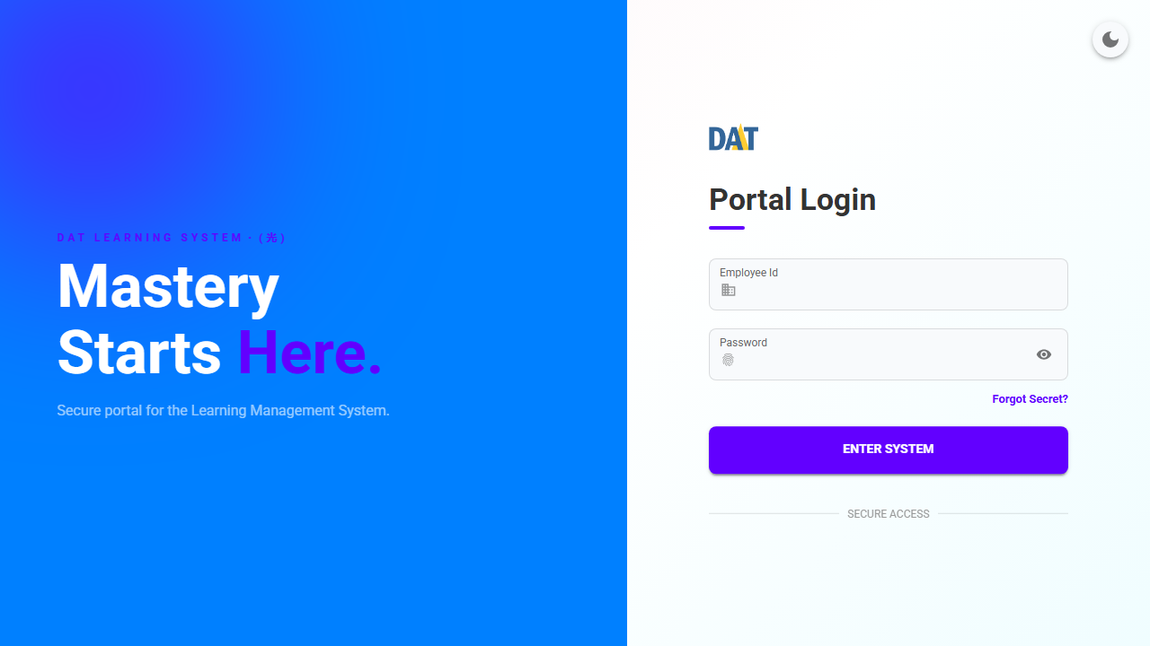

Network Log
ActionTypes | Selector/Value | Method | URL | NetworkStatus
GoTo | http://localhost/auth/login | GET | http://localhost/assets/roboto-latin-700-normal-CXeAXeti.woff2 | 200

Enter Username
Results
Test Case | Enter Username
Outcome | ✅ Highlighted 1 element(s) successfully.
Duration(s) | 0.511s
Ran Actions | Write,Highlight
DeviceType | Default(Window)
Overall result | ✔ PASS

Screenshots
Step | Image location | Note
Enter_Username_highlight | C:\Users\25-00372\Desktop\v02_Playwright_Smart_Automation_TestingTool\v2_Playwright_Smart_Automation_TestingTool\results\HLMS_[2026_06_03-10h39m16s]_results\screenshots\Enter_Username_highlight.png | ✅ Highlighted 1 element(s) successfully.
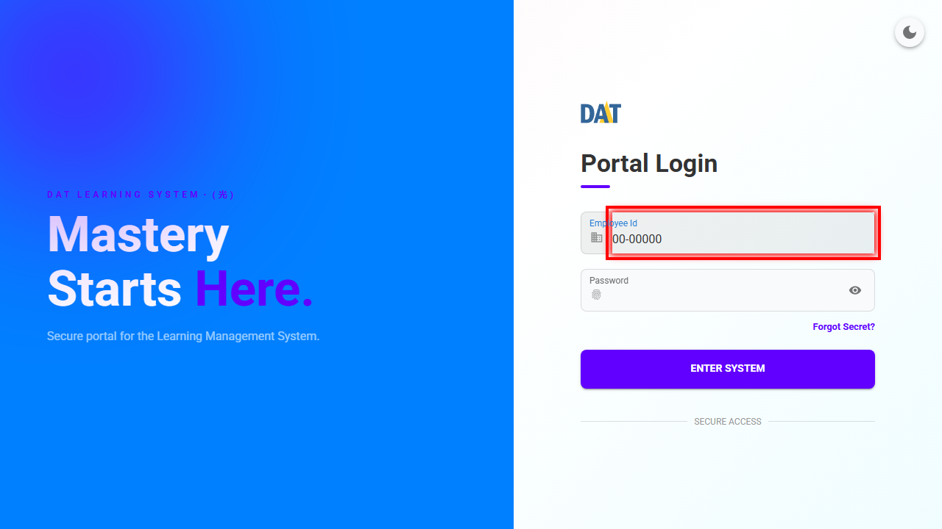

Network Log
ActionTypes | Selector/Value | Method | URL | NetworkStatus
Highlight | id=_r_3_ | N/A | N/A | N/A

Enter Password
Results
Test Case | Enter Password
Outcome | ✅ Highlighted 1 element(s) successfully.
Duration(s) | 0.460s
Ran Actions | Write,Highlight
DeviceType | Default(Window)
Overall result | ✔ PASS

Screenshots
Step | Image location | Note
Enter_Password_highlight | C:\Users\25-00372\Desktop\v02_Playwright_Smart_Automation_TestingTool\v2_Playwright_Smart_Automation_TestingTool\results\HLMS_[2026_06_03-10h39m16s]_results\screenshots\Enter_Password_highlight.png | ✅ Highlighted 1 element(s) successfully.
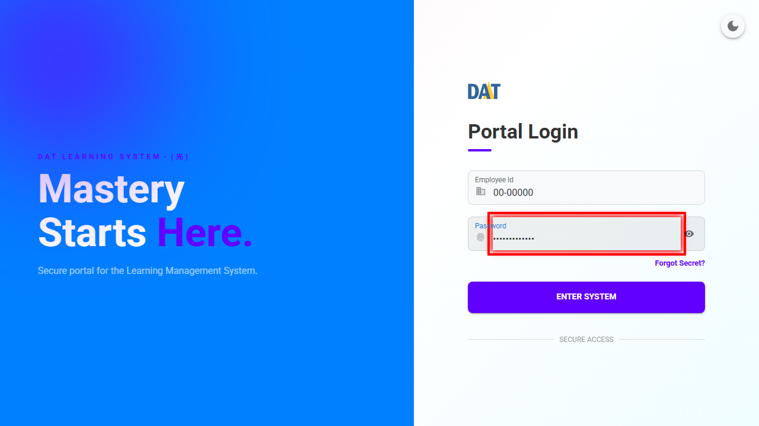

Network Log
ActionTypes | Selector/Value | Method | URL | NetworkStatus
Highlight | id=_r_4_ | N/A | N/A | N/A

Click Login Button
Results
Test Case | Click Login Button
Outcome | Run Action: Highlight,Click,Wait ✅ Highlighted 1 element(s) successfully.✅ Expected URL matched: http://localhost/home.
Duration(s) | 7.033s
Ran Actions | Highlight,Click,Wait
DeviceType | Default(Window)
Overall result | ✔ PASS

Screenshots
Step | Image location | Note
Click_Login_Button_highlight | C:\Users\25-00372\Desktop\v02_Playwright_Smart_Automation_TestingTool\v2_Playwright_Smart_Automation_TestingTool\results\HLMS_[2026_06_03-10h39m16s]_results\screenshots\Click_Login_Button_highlight.png | Run Action: Highlight,Click,Wait ✅ Highlighted 1 element(s) successfully.✅ Expected URL matched: http://localhost/home.
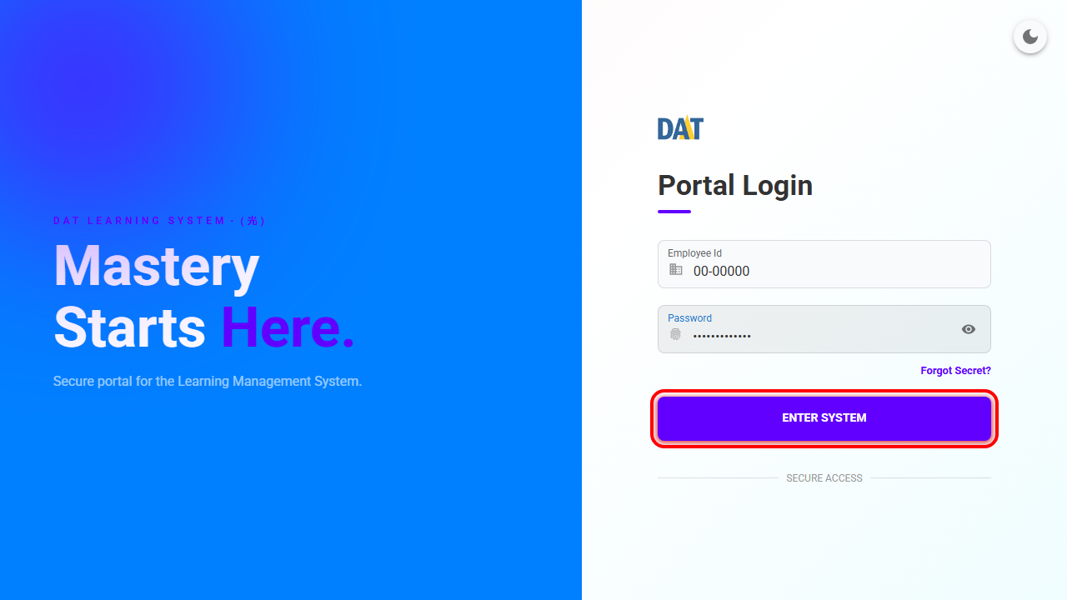

Click_Login_Button_page_url_matched | C:\Users\25-00372\Desktop\v02_Playwright_Smart_Automation_TestingTool\v2_Playwright_Smart_Automation_TestingTool\results\HLMS_[2026_06_03-10h39m16s]_results\screenshots\Click_Login_Button_page_url_matched.png | Run Action: Highlight,Click,Wait ✅ Highlighted 1 element(s) successfully.✅ Expected URL matched: http://localhost/home.
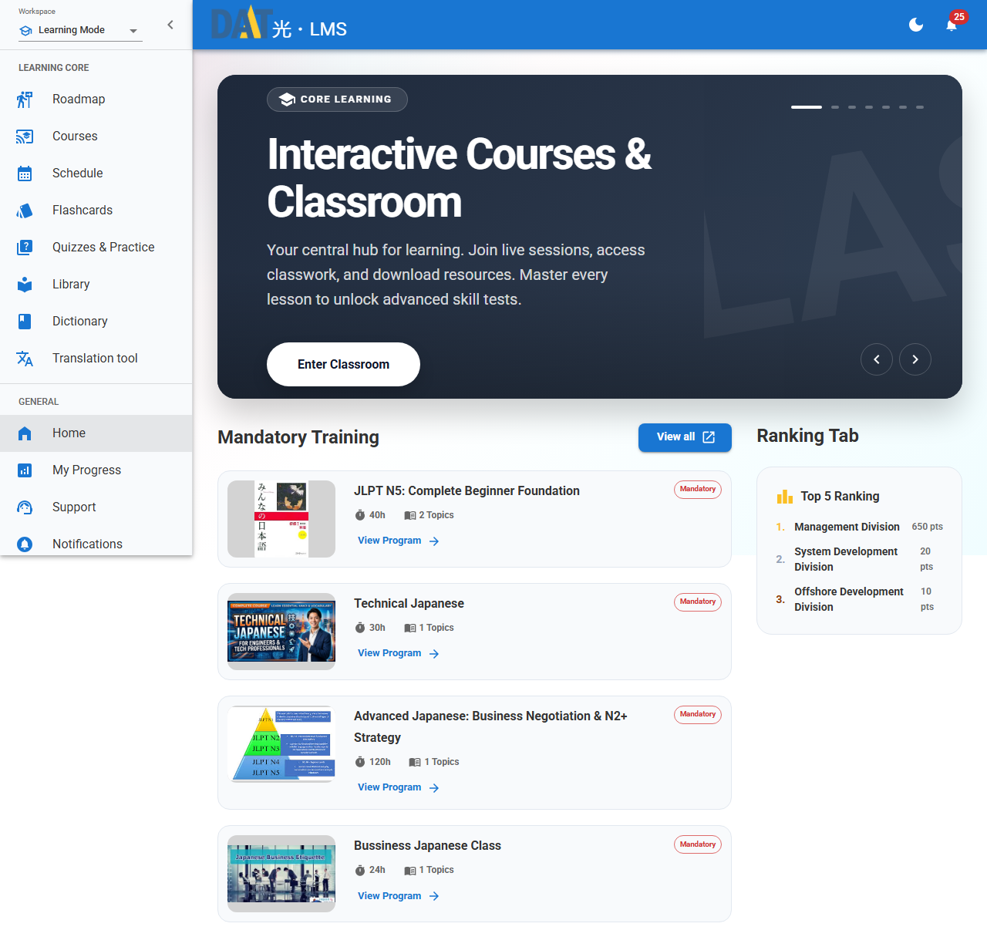

Network Log
ActionTypes | Selector/Value | Method | URL | NetworkStatus
Click | xpath=//*[@id="root"]/div/div[3]/div/div/form/div[3]/button | N/A | N/A | N/A

Wait For Full Document
Results
Test Case | Wait For Full Document
Outcome
Duration(s) | 0.693s
Ran Actions | DocumentLoaded
DeviceType | Default(Window)
Overall result | ✔ PASS

Screenshots
Step | Image location | Note
Wait_For_Full_Document_screenshot | C:\Users\25-00372\Desktop\v02_Playwright_Smart_Automation_TestingTool\v2_Playwright_Smart_Automation_TestingTool\results\HLMS_[2026_06_03-10h39m16s]_results\screenshots\Wait_For_Full_Document_screenshot.png


Network Log
ActionTypes | Selector/Value | Method | URL | NetworkStatus
DocumentLoaded | true | N/A | N/A | N/A

Change To DarkMode
Results
Test Case | Change To DarkMode
Outcome | Run Action: DocumentLoaded,Highlight,Click ✅ Highlighted 1 element(s) successfully.✅ Stayed on same page.
Duration(s) | 1.645s
Ran Actions | DocumentLoaded,Highlight,Click
DeviceType | Default(Window)
Overall result | ✔ PASS

Screenshots
Step | Image location | Note
Change_To_DarkMode_highlight | C:\Users\25-00372\Desktop\v02_Playwright_Smart_Automation_TestingTool\v2_Playwright_Smart_Automation_TestingTool\results\HLMS_[2026_06_03-10h39m16s]_results\screenshots\Change_To_DarkMode_highlight.png | Run Action: DocumentLoaded,Highlight,Click ✅ Highlighted 1 element(s) successfully.✅ Stayed on same page.
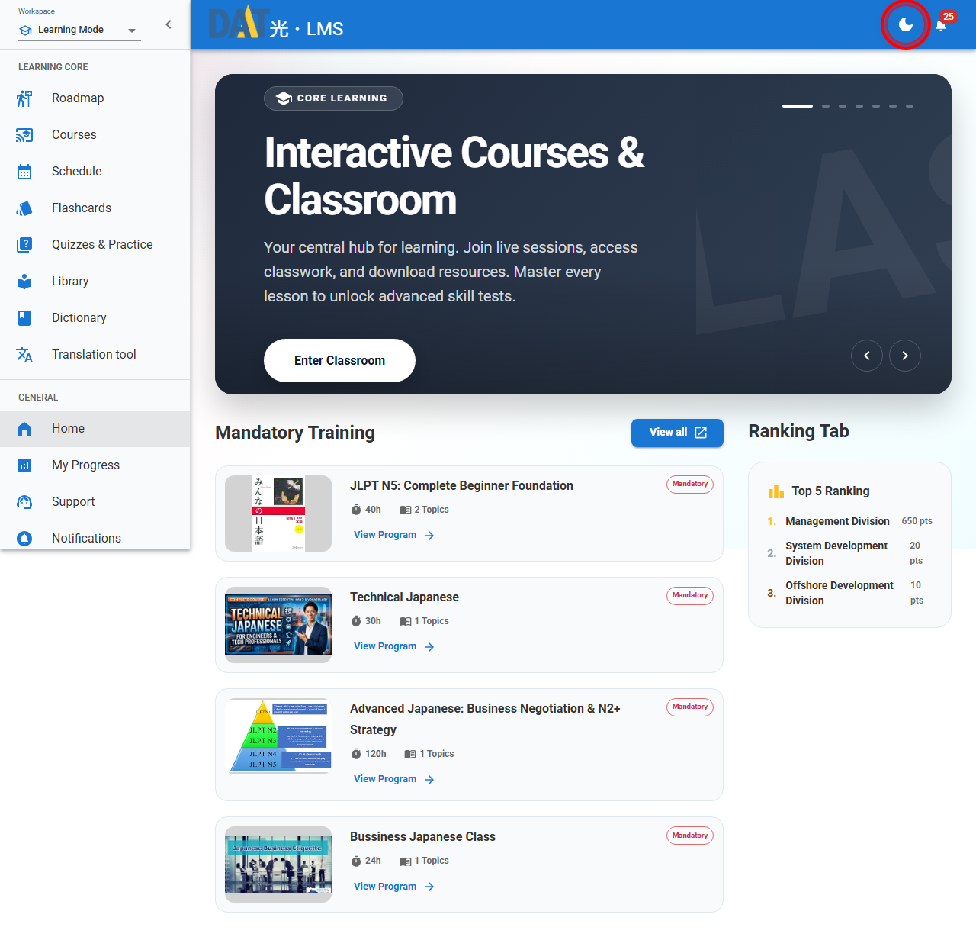

Change_To_DarkMode_page_url_stayed_same | C:\Users\25-00372\Desktop\v02_Playwright_Smart_Automation_TestingTool\v2_Playwright_Smart_Automation_TestingTool\results\HLMS_[2026_06_03-10h39m16s]_results\screenshots\Change_To_DarkMode_page_url_stayed_same.png | Run Action: DocumentLoaded,Highlight,Click ✅ Highlighted 1 element(s) successfully.✅ Stayed on same page.


Network Log
ActionTypes | Selector/Value | Method | URL | NetworkStatus
Click | xpath=//*[@id="root"]/div/div[2]/header/div/div[2]/button[1] | N/A | N/A | N/A

Highlight ProfileMenu
Results
Test Case | Highlight ProfileMenu
Outcome | ✅ Highlighted 1 element(s) successfully.
Duration(s) | 1.115s
Ran Actions | DocumentLoaded,Highlight,Wait
DeviceType | Default(Window)
Overall result | ✔ PASS

Screenshots
Step | Image location | Note
Highlight_ProfileMenu_highlight | C:\Users\25-00372\Desktop\v02_Playwright_Smart_Automation_TestingTool\v2_Playwright_Smart_Automation_TestingTool\results\HLMS_[2026_06_03-10h39m16s]_results\screenshots\Highlight_ProfileMenu_highlight.png | ✅ Highlighted 1 element(s) successfully.


Network Log
ActionTypes | Selector/Value | Method | URL | NetworkStatus
Highlight | xpath=//*[@id="root"]/div/div[1]/div/div[3]/div/div[2]/span/button | N/A | N/A | N/A

